UNEP_2017
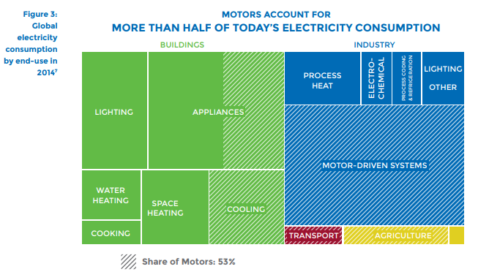
UNEP (2017) - Accelerating the Adoption of Energy-Efficient Electric Motors and Motor Systems
https://united4efficiency.org/wp-content/uploads/2017/09/U4E-MotorGuide-201709-Final.pd
Raw Data
Year | Machine | Eta.fu | Year | Machine | Eta.fu | Source
1960 | Electric motor (45KW) | 0.88 | 1960 | Electric motor (45KW) | 0.88 | UNEP (2017)
1980 | Electric motor (45KW) | 0.9 | 1961 | Electric motor (45KW) | 0.881 | Interpolated
1990 | Electric motor (45KW) | 0.902 | 1962 | Electric motor (45KW) | 0.882 | Interpolated
2000 | Electric motor (45KW) | 0.939 | 1963 | Electric motor (45KW) | 0.883 | Interpolated
2010 | Electric motor (45KW) | 0.951 | 1964 | Electric motor (45KW) | 0.884 | Interpolated
2013 | Electric motor (45KW) | 0.958 | 1965 | Electric motor (45KW) | 0.885 | Interpolated
 |  |  | 1966 | Electric motor (45KW) | 0.886 | Interpolated
 |  |  | 1967 | Electric motor (45KW) | 0.887 | Interpolated
 |  |  | 1968 | Electric motor (45KW) | 0.888 | Interpolated
 |  |  | 1969 | Electric motor (45KW) | 0.889 | Interpolated
 |  |  | 1970 | Electric motor (45KW) | 0.89 | Interpolated
 |  |  | 1971 | Electric motor (45KW) | 0.891 | Interpolated
 |  |  | 1972 | Electric motor (45KW) | 0.892 | Interpolated
 |  |  | 1973 | Electric motor (45KW) | 0.893 | Interpolated
 |  |  | 1974 | Electric motor (45KW) | 0.894 | Interpolated
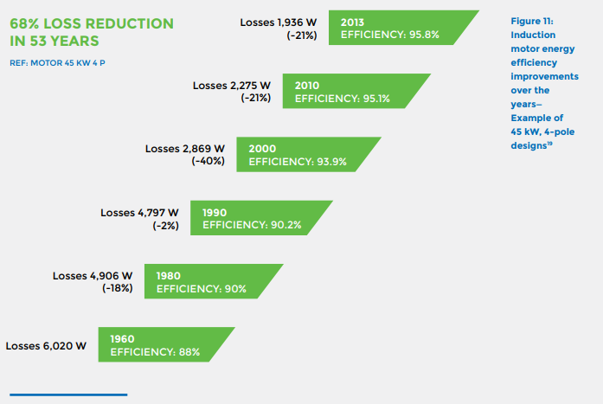
 |  |  | 1975 | Electric motor (45KW) | 0.895 | Interpolated
 |  |  | 1976 | Electric motor (45KW) | 0.896 | Interpolated
 |  |  | 1977 | Electric motor (45KW) | 0.897 | Interpolated
 |  |  | 1978 | Electric motor (45KW) | 0.898 | Interpolated
 |  |  | 1979 | Electric motor (45KW) | 0.899 | Interpolated
 |  |  | 1980 | Electric motor (45KW) | 0.9 | UNEP (2017)
 |  |  | 1981 | Electric motor (45KW) | 0.9002 | Interpolated
 |  |  | 1982 | Electric motor (45KW) | 0.9004 | Interpolated
 |  |  | 1983 | Electric motor (45KW) | 0.9006 | Interpolated
 |  |  | 1984 | Electric motor (45KW) | 0.9008 | Interpolated
 |  |  | 1985 | Electric motor (45KW) | 0.901 | Interpolated
 |  |  | 1986 | Electric motor (45KW) | 0.9012 | Interpolated
 |  |  | 1987 | Electric motor (45KW) | 0.9014 | Interpolated
 |  |  | 1988 | Electric motor (45KW) | 0.9016 | Interpolated
 |  |  | 1989 | Electric motor (45KW) | 0.9018 | Interpolated
 |  |  | 1990 | Electric motor (45KW) | 0.902 | UNEP (2017)
 |  |  | 1991 | Electric motor (45KW) | 0.9057 | Interpolated
 |  |  | 1992 | Electric motor (45KW) | 0.9094 | Interpolated
 |  |  | 1993 | Electric motor (45KW) | 0.9131 | Interpolated
 |  |  | 1994 | Electric motor (45KW) | 0.9168 | Interpolated
 |  |  | 1995 | Electric motor (45KW) | 0.9205 | Interpolated
 |  |  | 1996 | Electric motor (45KW) | 0.9242 | Interpolated
 |  |  | 1997 | Electric motor (45KW) | 0.9279 | Interpolated
 |  |  | 1998 | Electric motor (45KW) | 0.9316 | Interpolated
 |  |  | 1999 | Electric motor (45KW) | 0.9353 | Interpolated
 |  |  | 2000 | Electric motor (45KW) | 0.939 | UNEP (2017)
 |  |  | 2001 | Electric motor (45KW) | 0.9402 | Interpolated
 |  |  | 2002 | Electric motor (45KW) | 0.9414 | Interpolated
 |  |  | 2003 | Electric motor (45KW) | 0.9426 | Interpolated
 |  |  | 2004 | Electric motor (45KW) | 0.9438 | Interpolated
 |  |  | 2005 | Electric motor (45KW) | 0.945 | Interpolated
 |  |  | 2006 | Electric motor (45KW) | 0.9462 | Interpolated
 |  |  | 2007 | Electric motor (45KW) | 0.9474 | Interpolated
 |  |  | 2008 | Electric motor (45KW) | 0.9486 | Interpolated
 |  |  | 2009 | Electric motor (45KW) | 0.9498 | Interpolated
 |  |  | 2010 | Electric motor (45KW) | 0.951 | UNEP (2017)
 |  |  | 2011 | Electric motor (45KW) | 0.9533 | Interpolated
 |  |  | 2012 | Electric motor (45KW) | 0.9557 | Interpolated
 |  |  | 2013 | Electric motor (45KW) | 0.958 | UNEP (2017)
 |  |  | 2014 | Electric motor (45KW) | 0.9603 | Extrapolated
 |  |  | 2015 | Electric motor (45KW) | 0.9627 | Extrapolated
 |  |  | 2016 | Electric motor (45KW) | 0.9650 | Extrapolated
 |  |  | 2017 | Electric motor (45KW) | 0.9673 | Extrapolated
 |  |  | 2018 | Electric motor (45KW) | 0.9697 | Extrapolated
 |  |  | 2019 | Electric motor (45KW) | 0.9720 | Extrapolated
 |  |  | 2020 | Electric motor (45KW) | 0.9743 | Extrapolated

Zein_2012
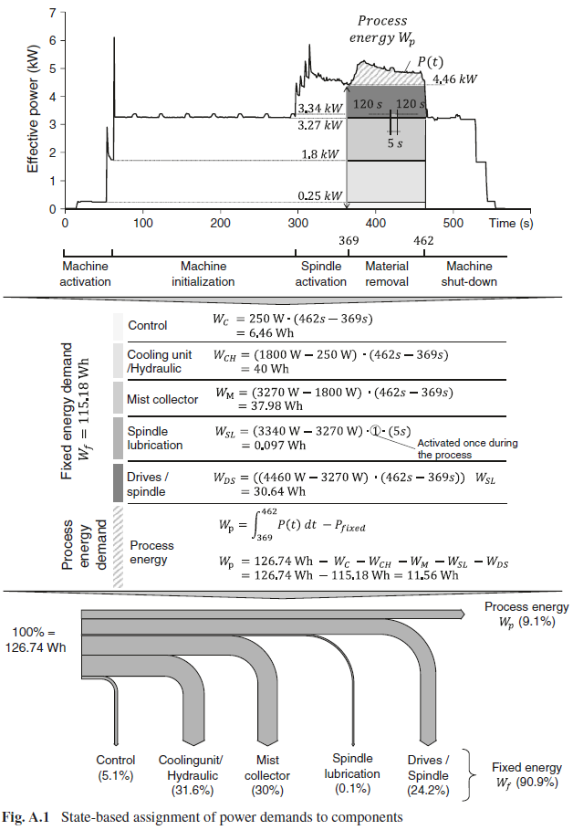
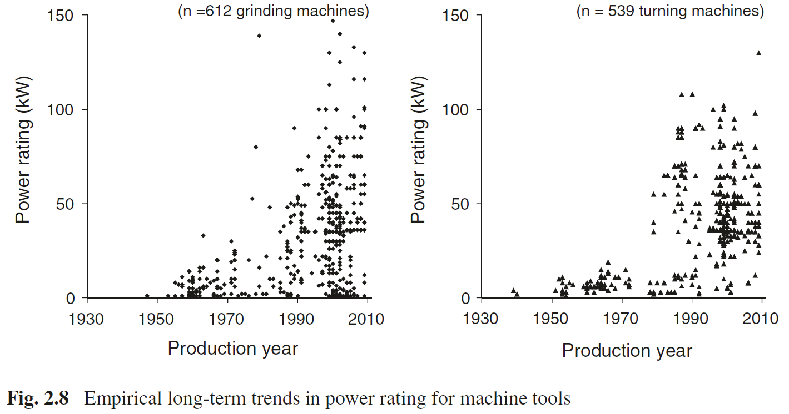
Zein (2012) - Transition Towards Energy Efficient Machine Tools
https://link.springer.com/book/10.1007/978-3-642-32247-1

Year | Machine | Stage | Process Energy Efficiency [-]
2012 | Machine tools | Process energy | 9.10%
2013 | Machine tools | Drives/Spindle | 24.20%

Heidenhain_2011
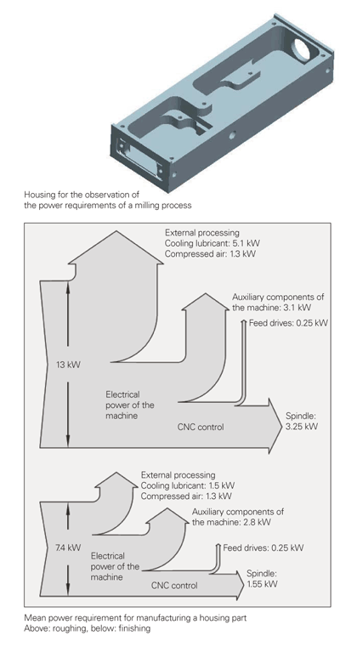
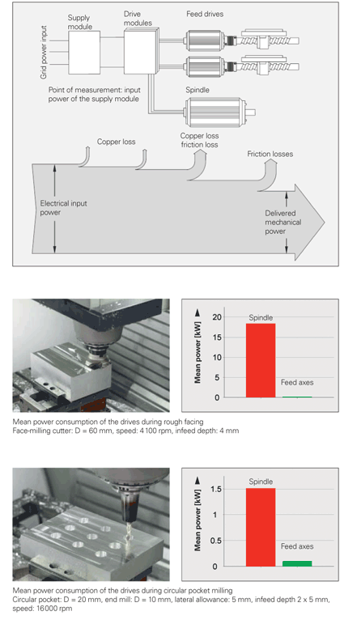
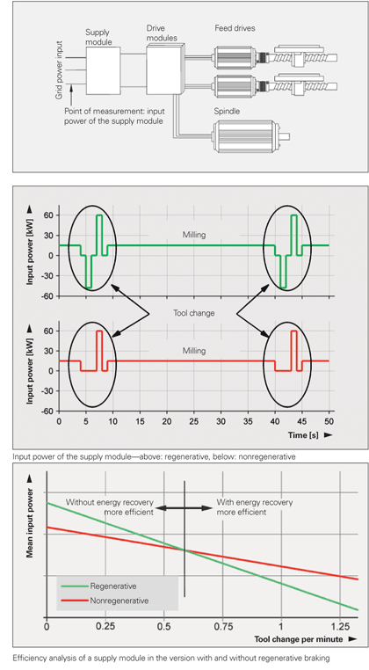
Heidenhain (2011) - Aspects of Energy Efficiency in Machine Tools
https://www.heidenhain.us/resources-and-news/aspects-of-energy-efficiency-in-machine-tools/

Year | Machine | Process | Energy Efficiency [-]
 | Milling machine | Roughing | 25.00%
 | Milling machine | Finishing | 20.95%

Herrmann_2009
Herrmann et al (2009) - Energy Efficiency of Machine Tools: Extending the Perspective
https://www.researchgate.net/profile/Sebastian-Thiede/publication/257365954_Energy_Efficiency_of_Machine_Tools_Extending_the_Perspective/links/00b7d52519c88e11e9000000/Energy-Efficiency-of-Machine-Tools-Extending-the-Perspective.pdf

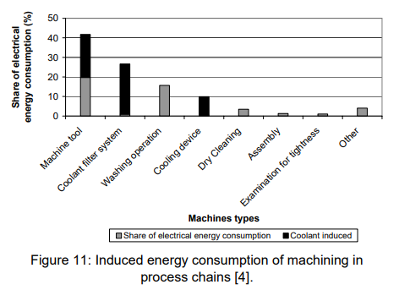
Year | Machine | Process | Energy Efficiency [-]
 | Machine tools | "Machine tool" | 20.00%

Denkena_2020
Denkena et al (2020) - Energy efficient machine tools
https://doi.org/10.1016/j.cirp.2020.05.008
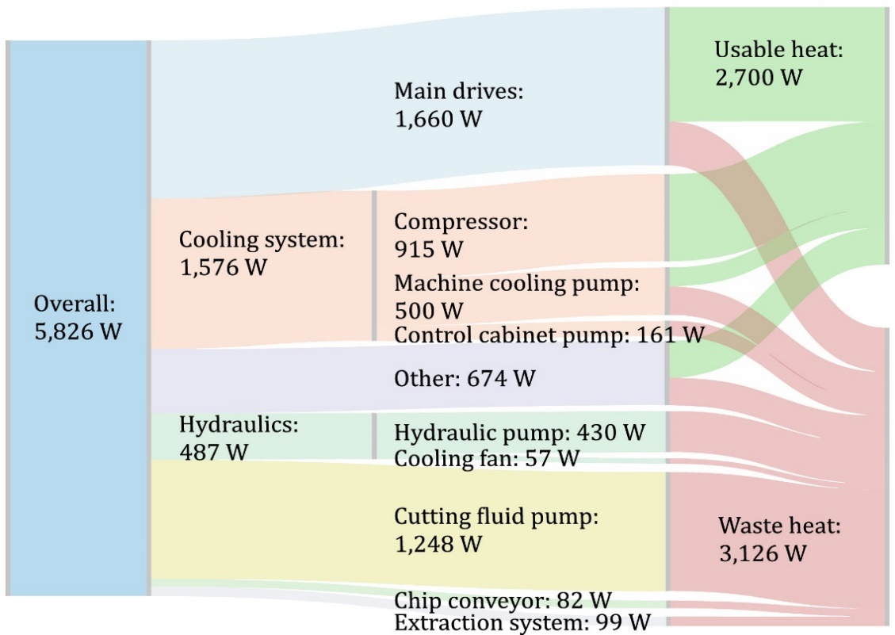
Year | Machine | Process | Energy Efficiency [-]

Yoon_2015
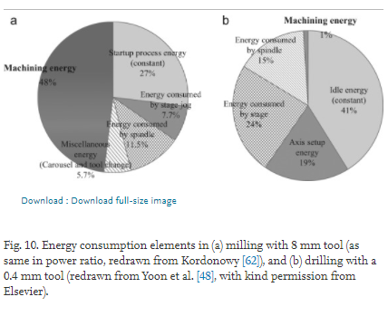
Yoon et al (2015) - Towards greener machine tools – A review on energy saving strategies and technologies
https://doi.org/10.1016/j.rser.2015.03.100

